Mass Balance
What we have (materials) | mol/yr | kg/yr | ppy | kg/hr | lb/hr |  |  |  |  | EXCESS REAGENT ANALYSIS |  |  |  |  | CO in excess... |  |  |  |  | MeOH in excess... |  |  |  |  | PLOTTING PURPOSES
MeOH | 2296156806 | 73568864.05 | 162191389.1 | 9196.108006 | 20273.92363 |  |  |  |  | Materials | Molar mass (g/mol) | tonnes/yr | Cost ($/tonnes) | If 1:1 ratio EXACTLY ($MM/yr) | Materials | tonnes/yr | Cost ($/yr) | % excess of CO | Total costs ($MM/yr) | Materials | tonnes/yr | Cost ($/yr) | % excess of MeOH | Total costs ($MM/yr) | % excess of CO | Total costs ($MM/yr) | % excess of MeOH | Total costs ($MM/yr)
MeOH 2 |  |  |  |  |  |  |  |  |  | CO | 28.01 | 64315.35212 | 205 | 13.18 | MeOH | 73568.86405 | 45612695.71 |  | - | CO | 64315.35212 | 13184647.19 |  | - | 0 | 58.7973429 | 0 | 58.7973429
DME | 2296156806 | 105783944 | 233213398.7 | 13222.993 | 29151.67484 |  |  |  |  | MeOH | 32.04 | 73568.86405 | 620 | 45.61 | CO | 64315.35212 | 13184647.19 | 0 | 58.7973429 | MeOH | 73568.86405 | 45612695.71 | 0 | 58.7973429 | 1.554838724 | 59.0023429 | 1.359270682 | 59.4173429
H2O | 2296156806 | 41376745.64 | 91220000.96 | 5172.093205 | 11402.50012 |  |  |  |  | ^ directly related to DME |  |  | Possible cost ($) | 58.80 |  | 65315.35212 | 13389647.19 | 1.554838724 | 59.0023429 |  | 74568.86405 | 46232695.71 | 1.359270682 | 59.4173429 | 3.109677447 | 59.2073429 | 2.718541364 | 60.0373429
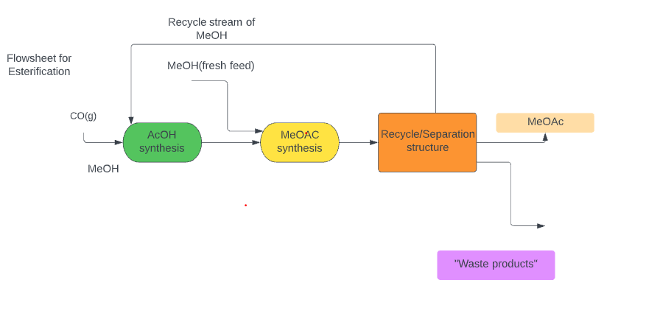
HOAc | 2296156806 | 137888808.5 | 303992425 | 17236.10106 | 37999.05312 |  |  |  |  |  |  |  |  |  |  | 66315.35212 | 13594647.19 | 3.109677447 | 59.2073429 |  | 75568.86405 | 46852695.71 | 2.718541364 | 60.0373429 | 4.664516171 | 59.4123429 | 4.077812046 | 60.6573429
CO | 2296156806 | 64315352.12 | 141790911.6 | 8039.419016 | 17723.86395 |  |  |  |  | DME + CO -> MeOAc |  |  |  |  |  | 67315.35212 | 13799647.19 | 4.664516171 | 59.4123429 |  | 76568.86405 | 47472695.71 | 4.077812046 | 60.6573429 | 6.219354894 | 59.6173429 | 5.437082727 | 61.2773429
MeOAc |  |  |  | 12757.275 |  |  |  |  |  |  |  |  |  |  |  | 68315.35212 | 14004647.19 | 6.219354894 | 59.6173429 |  | 77568.86405 | 48092695.71 | 5.437082727 | 61.2773429 | 7.774193618 | 59.8223429 | 6.796353409 | 61.8973429
MeOAc 2 | 2296156806 | 170097000 | 374999248.1 | 21262.125 | 46874.90602 |  |  |  |  |  |  |  |  |  |  | 69315.35212 | 14209647.19 | 7.774193618 | 59.8223429 |  | 78568.86405 | 48712695.71 | 6.796353409 | 61.8973429 | 9.329032341 | 60.0273429 | 8.155624091 | 62.5173429
MeOAc Product Purity | >98.3% |  |  |  |  |  |  |  |  |  |  |  |  |  |  | 70315.35212 | 14414647.19 | 9.329032341 | 60.0273429 |  | 79568.86405 | 49332695.71 | 8.155624091 | 62.5173429 | 10.88387106 | 60.2323429 | 9.514894773 | 63.1373429
 | 287.0196007 | kmol/hr |  |  |  |  |  |  |  |  |  |  |  |  |  | 71315.35212 | 14619647.19 | 10.88387106 | 60.2323429 |  | 80568.86405 | 49952695.71 | 9.514894773 | 63.1373429 | 12.43870979 | 60.4373429 | 10.87416545 | 63.7573429
 |  |  |  |  |  |  |  |  |  |  |  |  |  |  |  | 72315.35212 | 14824647.19 | 12.43870979 | 60.4373429 |  | 81568.86405 | 50572695.71 | 10.87416545 | 63.7573429 | 13.99354851 | 60.6423429 | 12.23343614 | 64.3773429
 |  |  |  |  |  |  |  |  |  |  |  |  |  |  |  | 73315.35212 | 15029647.19 | 13.99354851 | 60.6423429 |  | 82568.86405 | 51192695.71 | 12.23343614 | 64.3773429 | 15.54838724 | 60.8473429 | 13.59270682 | 64.9973429
Feed flow rate | Outflow after first reaxn | Fresh MeOH | Feed after second reaxn | Recycle/Sep str |  | Materials |  |  |  |  |  |  |  |  |  | 74315.35212 | 15234647.19 | 15.54838724 | 60.8473429 |  | 83568.86405 | 51812695.71 | 13.59270682 | 64.9973429 | 17.10322596 | 61.0523429 | 14.9519775 | 65.6173429
 |  |  |  |  |  | AcOH |  |  |  |  |  |  |  |  |  | 75315.35212 | 15439647.19 | 17.10322596 | 61.0523429 |  | 84568.86405 | 52432695.71 | 14.9519775 | 65.6173429 | 18.65806468 | 61.2573429 | 16.31124818 | 66.2373429
 |  |  |  |  |  | CO |  |  |  |  |  |  |  |  |  | 76315.35212 | 15644647.19 | 18.65806468 | 61.2573429 |  | 85568.86405 | 53052695.71 | 16.31124818 | 66.2373429 | 20.21290341 | 61.4623429 | 17.67051886 | 66.8573429
 |  |  |  |  |  | MeOH |  |  |  |  |  |  |  |  |  | 77315.35212 | 15849647.19 | 20.21290341 | 61.4623429 |  | 86568.86405 | 53672695.71 | 17.67051886 | 66.8573429 | 21.76774213 | 61.6673429 | 19.02978955 | 67.4773429
 |  |  |  |  |  | MeoAC |  |  |  |  |  |  |  |  |  | 78315.35212 | 16054647.19 | 21.76774213 | 61.6673429 |  | 87568.86405 | 54292695.71 | 19.02978955 | 67.4773429
 |  |  |  |  |  | H2O
Excess CO
Excess MeOH

 |  |  |  |  |  |  |  |  |  |  |  |  |  | 60% Per pass conversion
Material | Feed flow rate(kg/hr) |  | Material (CO) | Feed Flow rate(kg/hr) |  | After Synthesis Materials | Feed Flow rate(kg/hr) | New MeOH Feed Required |  |  | Total Feed |  |  | Post Reaction |  |  | Splitter
MeOH | 53.30218152 |  | 46.59781848 | Stoic Ratio |  | MeOH | 0.1 | MeOH | 53.30040631 |  | MeOH | 53.40040631 |  | MeOH | 21.36016253 |  | MeOH
H2O | 0.05335553705 |  | 1.663613655 | Moles |  | H2O | 0.05335553705 | H2O | 0.05335376007 |  | H2O | 0.1067092971 |  | H2O | 18.12684641 |  | H2O
Total | 53.35553705 |  |  |  |  | HOAc | 99.9 | Total Flow rate | 53.35376007 |  | HOAc | 99.9 |  | HOAC | 39.95866915 |  | HOAC
Mass Fraction MeOH | 0.999 |  |  |  |  | CO | 0 | Mass fraction MeOH |  |  | CO | 0 |  | CO | 0 |  | CO
Mass Fraction H2O | 0.001 |  |  |  |  | Total Flow Rate | 100.0533555 | Mass fraction H2O |  |  | Moles MeOH | 1.666679348 |  | MeOAC | 74.07256361 |  | MeOAC
Mole fraction MeOH | 0.9982233579 |  |  |  |  | Mass Fraction MeOH | 0.0009994667292 |  |  |  | Moles HOAc | 1.66355825 |  | Total Mass | 153.5182417 |  | Total Mass
Mole Fraction H2O | 0.001776642146 |  |  |  |  | Mass Fraction H2O | 0.000533270841 |  |  |  | Moles H2O | 0.005921714602 |  | Moles MeOH | 0.6666717393 |  | Moles MeOH
Moles MeOH | 1.663613655 |  |  |  |  | Mass Fraction HOAC | 0.9984672624 |  |  |  | Moles CO | 0 |  | Moles H2O | 1.005929323 |  | Moles H2O
 |  |  |  |  |  | Mass Fraction CO | 0 |  |  |  | Total Moles | 3.336159312 |  | Moles HOAc | 0.6654232998 |  | Moles HOAc
MeOH | CO | AcOH |  |  |  | Mole Fraction MeOH |  |  |  |  |  |  |  | Moles CO | 0 |  | Moles CO
32.04 | 28.01 | 60.05 |  |  |  | Mole Fraction H2O |  |  |  |  |  |  |  | Moles MeOAC | 1.000007609 |  | Moles MeOAC
 |  |  |  |  |  | Mole Fraction HOAC |  |  |  |  |  |  |  | Total Moles | 3.338031971 |  | Total Moles
Ch3COOH | Ch3OH | Ch3COOCh3 | H2O |  |  | Mole Fraction CO |  |  |  |  |  |  |  | Mole fraction MeOH | 0.1997199982 |  | Mole fraction MeOH
60.052 | 32.04 | 74.072 | 18.02 |  |  |  |  |  |  |  |  |  |  | Mole Fraction H2O | 0.301354011 |  | Mole Fraction H2O
 |  |  |  |  |  |  |  |  |  |  |  |  |  | Mole Fraction HOAc | 0.1993459935 |  | Mole Fraction HOAc
 |  |  |  |  |  |  |  |  |  |  |  |  |  | Mole Fraction CO | 0 |  | Mole Fraction CO
 |  |  |  |  |  |  |  |  |  |  |  |  |  | Mole Fraction MeOAC | 0.2995799973 |  | Mole Fraction MeOAC

 | 2nd Method Input (kmol/hr) |  | Esterification Input (kmol/hr)
MeOH | 574.0392014 | MeOH | 287.0196007
CO | 287.0196007 | HOAc | 287.0196007
MeOAc | 287.0196007 | MeAc
MeOH | 0.2873069076
 | 287.3069076
 | 574.6138152

Carbonylation
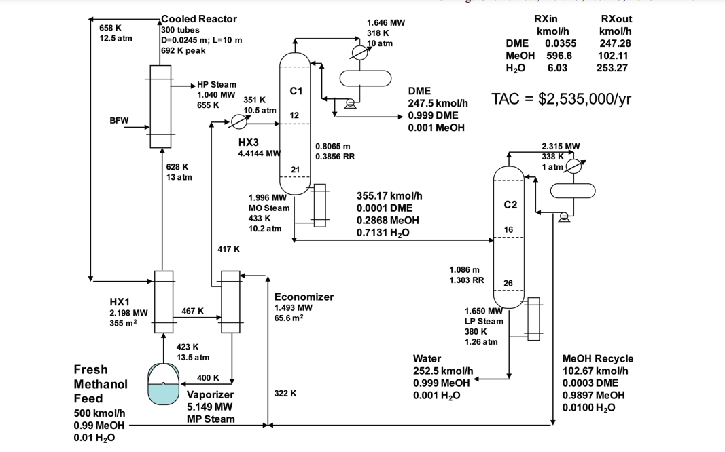
 |  |  |  |  |  |  |  |  |  |  |  |  |  |  |  |  |  |  |  |  |  |  |  |  |  |  |  |  |  |  | Remaining MeOH | 28.86435945
Methanol Feed |  |  | Recycle Feed |  |  | Total Feed |  |  | Post Reactor |  |  | Distillate |  |  | Bottoms |  |  | Feed for second process |  |  | Carbon Monoxide Feed |  |  | Recycle |  | Pre Reactor |  | Post Reactor |  |  | Post Separation
Methanol | 99.9 | kg/hr | Methanol |  | kg/hr | Methanol | 99.9 | kg/hr | Methanol | 17085.53353 | g/hr | DME | 69103.78999 | g/hr | DME |  |  | MeOH | 48.10726575 | g/hr | CO | 42029.26407 |  | Total Recycle | 34.78808865 | Moles MeOH | 20.74438151 | Mass MeOH | 1541.356795 |  | Distillate | 43.52096798 | moles/hr
Water | 0.1 | kg/hr | Water |  | kg/hr | Water | 0.1 | kg/hr | Water | 9709.279467 | g/hr | MeOH | 48.10726575 | g/hr | MeOH |  | g | DME | 69103.78999 | g/hr | Moles CO | 1499.973735 | mol/hr |  |  | Moles DME | 1500.51918 | Mass CO | 420.1426433 |  | DME | 14.45429236 | moles/hr | Diemers ratios
Total | 100 | kg/hr | Total |  | kg/hr | Total | 100 | kg/hr | DME | 119078.1046 | g/hr | Total Mass | 69151.89726 | g/hr | H2O |  |  | Total Mass | 69151.89726 | g/hr |  |  |  | Moles MeOH | 19.2429063 | Moles CO | 1514.973473 | Mass MeOAC | 109992.024 |  | MeOH | 27.13249788 | moles/hr | DME | 0.3333 | 144.9130435
Moles MeOH | 3117.977528 | mol/hr | Moles MeOH |  | mol/hr | Moles MeOH | 3117.977528 | mol/hr | Total Mass | 145872.9176 | g/hr | Moles MeOH | 1.501475211 | mol/hr | Total Mass |  |  | Moles MeOH | 1.501475211 | mol/hr |  |  |  | Moles CO | 14.99973735 |  |  | Mass DME | 691.0378999 |  | MeOAc | 1.934177735 | moles/hr | MeOH | 0.0023
Moles H2O | 5.549389567 | mol/hr | Moles H2O |  | mol/hr | Moles H2O | 5.549389567 | mol/hr | Moles MeOH | 533.2563522 | mol/hr | Moles DME | 1499.973735 | mol/hr | Moles MeOH |  |  | Moles DME | 1499.973735 | mol/hr |  |  |  | DME | 0.5454449947 |  |  | Total | 112644.5614 |  |  |  |  | MeOAC | 0.0446 | 7.47309417
Total Moles | 3123.526918 | mol/hr | Total Moles |  | mol/hr | Total Moles | 3123.526918 | mol/hr | Moles H2O | 538.8057418 | mol/hr | Total Moles | 1501.475211 | mol/hr | Moles DME |  |  | Total Moles | 1501.475211 | mol/hr |  |  |  |  |  |  |  | MeOH | 48.10726575 | 20.74438151
Mole Fraction MeOH | 0.9982233579 |  | Mole Fraction MeOH |  |  | Mole Fraction MeOH | 0.9982233579 |  | Moles DME | 2584.721176 | mol/hr | Mole Fraction DME | 0.999 |  | Moles H2O |  |  | Mole Fraction DME | 0.999 |  |  |  |  |  |  |  |  | CO | 14.99973735 | 29.45948416
Mole Fration H2O | 0.001776642146 |  | Mole Fration H2O |  |  | Mole Fration H2O | 0.001776642146 |  | Total Moles | 3656.78327 | mol/hr | Mole Fraction MeOH | 0.001 |  | Total Moles | 1070.546404 |  | Mole Fraction MeOH | 0.001 |  |  |  |  |  |  |  |  | MeOAc | 1484.973998 | 1485.513989
 |  |  |  |  |  |  |  |  | Mole Fraction MeOH | 0.1458266222 |  |  |  |  | Mole Fraction DME | 0.001 |  |  |  |  |  |  |  |  |  |  |  | DME | 14.99973735 | 15.0051918
1997600000 | 0.8699754281 |  |  |  |  |  |  |  | Mole Fraction H2O | 0.1473441826 |  |  |  |  | Mole Fraction MeOH | 0.2868 |  |  |  |  |  |  |  |  |  |  |  | Total Moles | 1563.080739 | 1550.723046 |  |  |  | Bottoms
 |  |  |  |  |  |  |  |  | Mole Fraction DME | 0.7068291952 |  |  |  |  | Mole Fraction H2O | 0.2878 |  |  |  |  |  |  |  |  |  |  |  |  |  |  |  |  | MeOAc | 1483.03982 | Moles
His inlet feed |  | Recycle |  |  |  |  |  |  |  |  |  |  |  |  |  |  |  |  |  |  |  |  |  |  |  |  |  |  |  |  |  |  | MeOH | 1.731861567 | moles
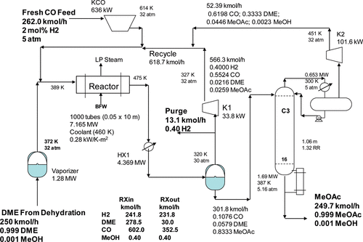
500 | Moles | 102.67 | Moles |  |  |  |  |  |  |  |  |  |  |  |  |  |  |  |  |  |  | DME feed Reactor | 278.5 | Recycle |  |  |  |  |  |  |  |  | Total | 1484.771682 | 0.9988335839
0.99 | MeOH | 0.0003 | DME |  |  |  |  |  |  |  |  |  |  |  |  |  |  |  |  |  |  | DME Conversion | 0.8934364452 | kmol/hr MEOH | 0.120497
0.01 | H2O | 0.9897 | MeOH |  |  |  |  |  |  |  |  |  |  |  |  |  |  |  |  |  |  |  |  | kmol/hr CO | 345.295442
 |  | 0.01 | H2O |  |  |  |  |  |  |  |  |  |  |  |  |  |  |  |  |  |  |  |  | kmol/hr MeoAc | 17.003764 |  |  |  |  |  |  |  | MeOAc | 287.0196007 | Moles
 |  |  |  |  |  |  |  |  |  |  |  |  |  |  |  |  |  |  |  |  |  |  |  | kmol/hr DME | 29.67795 |  |  |  |  |  |  |  | MeOH | 0.2870196007 | moles
Total |  |  |  |  | Diemers Distillate |  |  | Diemers Bottoms |  |  |  |  |  |  |  |  |  |  |  |  |  |  |  | kmol/hr Total Recycle | 392.097653 |  |  |  |  |  |  |  | Total | 287.3066203 | 0.999
 |  |  | Expected |  | 247.5 | Total |  | 355.17 | Total |  |  |  |  |  |  |  |  |  |  |  |  |  |  |  |  |  |  |  |  |  |  |  |  | 0.999000999
MeOH | 596.612499 |  | 298.3062495 |  | 0.999 | DME |  | 0.0001 | DME |  |  |  |  |  |  |  |  |  |  |  |  |  |  | Mole fraction MeOH | 0.0003073137497
H2O | 6.0267 |  | 298.3062495 |  | 0.001 | MeOH |  | 0.2868 | MeOH |  |  |  |  |  |  |  |  |  |  |  |  |  |  | Mole Fraction CO | 0.8806363398
DME | 0.030801 |  |  |  |  |  |  | 0.7131 | H2O |  |  |  |  |  |  |  |  |  |  |  |  |  |  | Mole Fraction DME | 0.07569020057
Total Flow | 602.67 |  |  |  | Total DME |  |  |  |  |  |  |  |  |  |  |  |  |  |  |  |  |  |  | Mole Fraction MeOAC | 0.04336614583
Mole fraction MeOH | 0.9899488924 |  |  | 0.8289736384 | 247.288017
Mole Fraction H2O | 0.01
Mole Fraction DME | 5.110757131E-05

Esterification
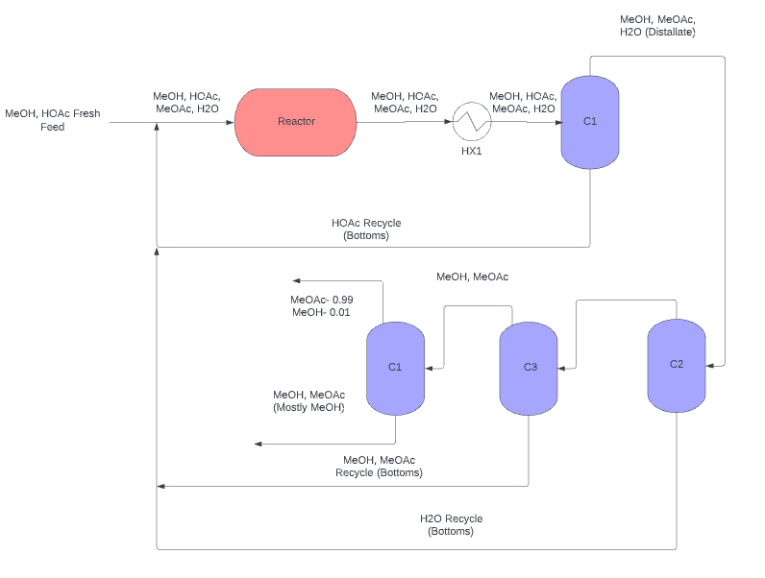
 | Fresh Feed | Flow Into Reactor (kmol/hr) | Flow Leaving Reactor (kmol/hr) | Flow Into/ Out of Heat Exhanger | C1 Feed | C1 Distillate | C1 Bottoms | C2 Feed | C2 Distillate | C2 Bottoms | C3 Feed | C3 Distallate | C3 Bottoms | C4 Feed | C4 Distillate | C4 Bottoms
Total Flow (kmol/hr) | 777.0963652 | 1000 | 1000 | 1000 | 1000 | 600 | 400 | 600 | 480 | 120 | 480 | 91.2 | 388.8 | 388.8 | 167.184 | 221.616
Moles HOAc | 351.4056421 | 500 | 150 | 150 | 150 | 1.405642077 | 148.5943579 | 1.405642077 | 1.700742421E-06 | 1.405640376 | 1.700742421E-06 | 0 | 1.700737505E-06 | 1.700737505E-06 | 0 | 0
Moles MeOH | 425.6907231 | 500 | 150 | 150 | 150 | 149.9999797 | 2.032435097E-05 | 149.9999797 | 132.3492696 | 17.65071005 | 132.3492696 | 58.03999277 | 74.30927686 | 74.30927686 | 74.30427971 | 0.004999071092
Moles MeOAC | 0 | 0 | 350 | 350 | 350 | 350 | 0 | 350 | 340.8258116 | 9.17E+00 | 340.8258116 | 32.97827202 | 307.8475396 | 307.8475396 | 89.38485664 | 218.462681
Moles H2O | 0 | 0 | 350 | 350 | 350 | 98.59437825 | 251.4056218 | 98.59437825 | 6.824917076 | 91.76946117 | 6.824917076 | 0.181735209 | 6.643181867 | 6.643181867 | 0 | 0
xHOAc | 0.4522034304 | 0.5 | 0.15 | 0.15 | 0.15 | 0.0023427367942 | 0.37148589481 | 0.002342736794 | 3.5432133774E-09 | 0.011713669798 | 3.543213377E-09 | 5.3900838502E-14 | 4.3743248596E-09 | 4.37432486E-09 | 7.0099968097E-13 | 7.6737251655E-09
xMeOH | 0.5477965696 | 0.5 | 0.15 | 0.15 | 0.15 | 0.24999996613 | 5.0810877414E-08 | 0.2499999661 | 0.27572764506 | 0.14708925038 | 0.2757276451 | 0.63640342952 | 0.19112468328 | 0.1911246833 | 0.44444611751 | 2.2557356382E-05
xMeOAC | 0 | 0 | 0.35 | 0.35 | 0.35 | 0.58333333333 | 7.1304504359E-14 | 0.5833333333 | 0.71005377415 | 7.65E-02 | 0.7100537742 | 0.36160385985 | 0.79178893923 | 0.7917889392 | 0.53464958751 | 0.98577124839
xH2O | 0 | 0 | 0.35 | 0.35 | 0.35 | 0.16432396375 | 0.62851405438 | 0.1643239637 | 0.014218577241 | 0.76474550977 | 0.01421857724 | 0.0019927106247 | 0.017086373114 | 0.01708637311 | 0.020904294977 | 0.014206186576
 |  |  |  |  |  | 1 |  | 1

 |  |  |  |  | D | B |  | 0.5833333333
 |  |  |  | MeOH | 0.24999996613 | 5.08E-08 |  |  | MeOh | 0.27572764506 | 0.14708925038 |  | MeOh | 0.63640342952 | 0.19112468328 |  | MeOh | 0.44444611751 | 2.26E-05
Boiling points of Components (C) |  |  |  | Water | 0.16432396375 | 0.62851405438 |  |  | Water | 0.014218577241 | 0.76474550977 |  | Water | 0.0019927106247 | 0.017086373114 |  | Water | 0.020904294977 | 0.014206186576
MeOH |  | 64.7 |  | Acetic Acid | 0.0023427367942 | 0.37148589481 |  |  | Acetic Acid | 3.54E-09 | 0.011713669798 |  | Acetic Acid | 5.39E-14 | 4.37E-09 |  | Acetic Acid | 7.01E-13 | 7.67E-09
HOAc |  | 118 |  | MeOAC | 0.58333333333 | 7.13E-14 |  |  | MeOAc | 0.71005377415 | 0.076451570055 |  | MeOAc | 0.36160385985 | 0.79178893923 |  | MeOAc | 0.53464958751 | 0.98577124839
H2O |  | 100
MeOAc |  | 57.1 |  | Acetic | 0.0023427367942 | 0.37148589481 |  |  | Acetic Acid | 3.5432133774E-09 | 0.011713669798 |  | Acetic Acid | 5.3900838502E-14 | 4.3743248596E-09 |  | Acetic Acid | 7.0099968097E-13 | 7.6737251655E-09
 |  |  |  | MeOH | 0.24999996613 | 5.0810877414E-08 |  |  | MeOH | 0.27572764506 | 0.14708925038 |  | MeOH | 0.63640342952 | 0.19112468328 |  | MeOH | 0.44444611751 | 2.2557356382E-05
 |  |  |  | MeOAC | 0.58333333333 | 7.1304504359E-14 |  |  | MeOAC | 0.71005377415 | 0.076451570055 |  | MeOAC | 0.36160385985 | 0.79178893923 |  | MeOAC | 0.53464958751 | 0.98577124839
 |  |  |  | H2O | 0.16432396375 | 0.62851405438 |  |  | Watr | 0.014218577241 | 0.76474550977 |  | Watr | 0.0019927106247 | 0.017086373114 |  | Watr | 0.020904294977 | 0.014206186576

